IPH
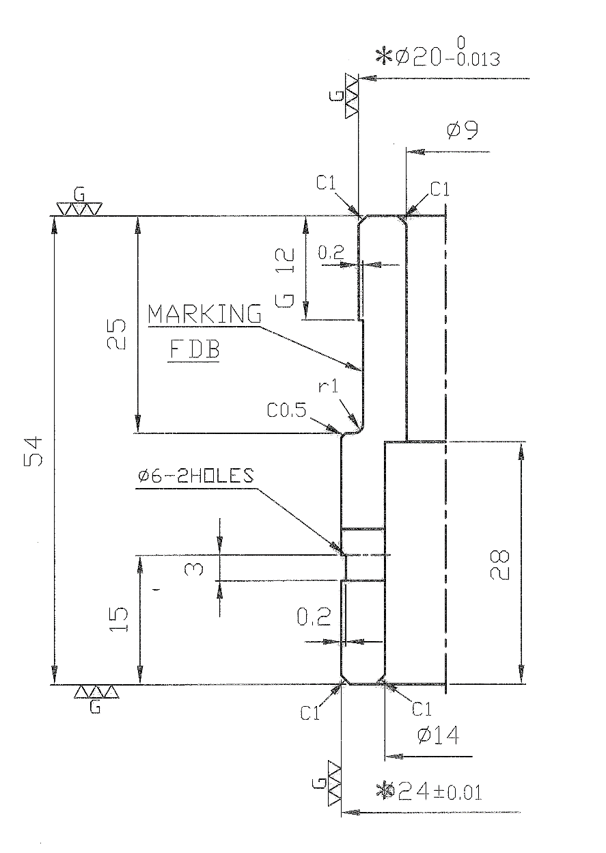
R-FDB 8776
* Ø24±0.01

 |  |  |  |  |  |  |  | REFERENCE TABLE
 |  |  |  |  |  |  |  | PRODUCT CODE | NAH 0609 A | NAH 0609 A01
 |  |  |  |  |  |  |  | DIE CODE | R-FDB 8776 | R-FDB | 8776.0 | R-FDB 8776
 |  |  |  |  |  |  |  | Di = | 41
 |  |  |  |  |  |  |  | 32 < Di Condition | TRUE

DATE | DESCRIPTION |  | REV. | APP.
REVISION
APPROVED |  | NAME |  |  | MATERIAL |  | QUANTITY
 |  | INNER PUNCH HOLDER |  |  | SKS 3 |  | 1
NAH 0609 A
CHECKED |  |  |  |  | DRAWING NO.
R-FDB 8776
DESIGNED
KEE |  | DATE |  | SCALE
 |  | 2020-06-05 16:36:38 |  | FREE | SHEET |  | OF
FM-DD-7005, Rev. 0, p1/1 |  |  |  |  |  | 32 < Di

IP1
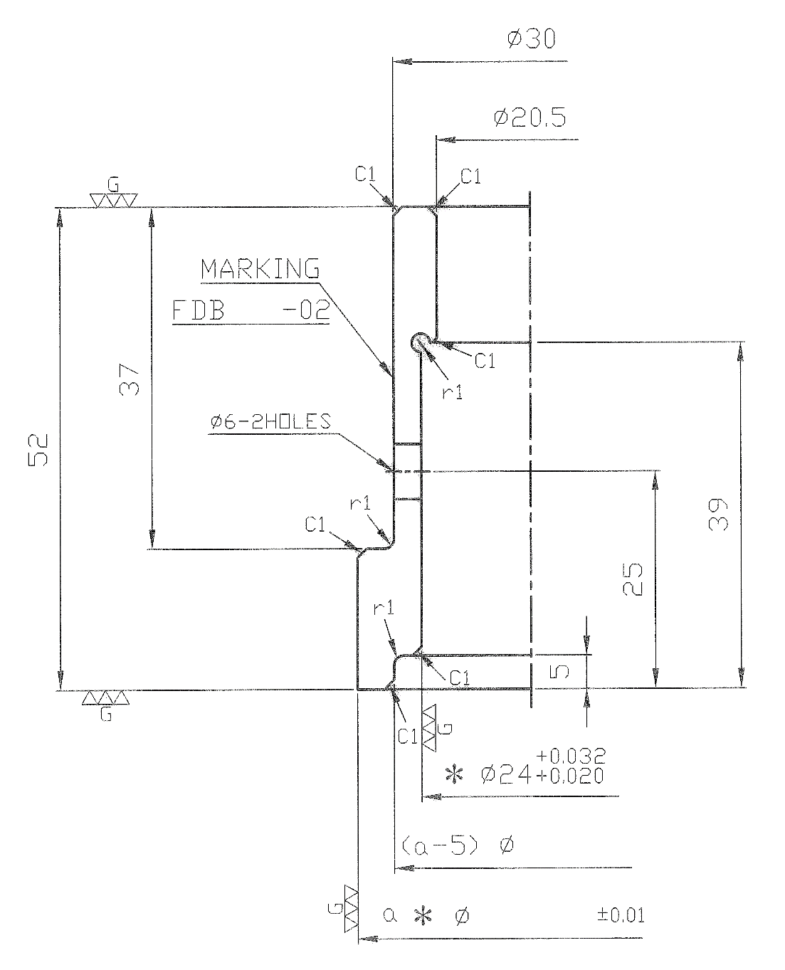

 |  |  |  |  |  |  |  | REFERENCE TABLE
 |  |  |  |  |  |  |  | PRODUCT CODE |  | NAH 0609 A | NAH 0609 A01
 |  |  |  |  |  |  |  | DIE CODE |  | R-FDB 8776- 02 | R- | R-FDB | 8776
 |  |  |  |  |  |  |  | Di = |  | 41
R-FDB 8776- 02
 |  |  |  |  |  |  |  | 32 < Di Condition |  | TRUE
 |  |  |  |  |  |  |  |  | a | 41.05
 |  |  |  |  |  |  |  |  | a - X | 33
 |  |  |  |  |  |  |  |  | b | 41

33

41.05

DATE | DESCRIPTION |  | REV. | APP.
REVISION
APPROVED |  | NAME |  |  | MATERIAL |  | QUANTITY
 |  | INNER PUNCH |  |  | DC 53 |  | 3
NAH 0609 A
CHECKED |  |  |  |  | DRAWING NO.
R-FDB 8776- 02
DESIGNED
KEE |  | DATE |  | SCALE
 |  | 2020-06-05 16:36:38 |  | FREE | SHEET |  | OF
FM-DD-7005, Rev. 0, p1/1 |  |  |  |  |  | Æ32 < Di

IP3
41.05
8776
R-

 |  |  |  |  |  |  |  | Di = |  | 41
 |  |  |  |  |  |  |  | 18 < Di ≤ 32 Condition |  | FALSE
 |  |  |  |  |  |  |  |  | a | 41.05

DATE | DESCRIPTION |  | REV. | APP.
REVISION
APPROVED |  | NAME |  |  | MATERIAL |  | QUANTITY
 |  | INNER PUNCH |  |  | DC 53 |  | 3
NAH 0609 A
CHECKED |  |  |  |  | DRAWING NO.
8776
R-
R-FDB
-02
DESIGNED
KEE |  | DATE |  | SCALE
 |  | 2020-06-05 16:36:38 |  | FREE | SHEET |  | OF
FM-DD-7005, Rev. 0, p1/1 |  |  |  |  |  | Æ18 < Di ≤ Æ32

NOK ASIA CO. PTE. LTD.

NC1
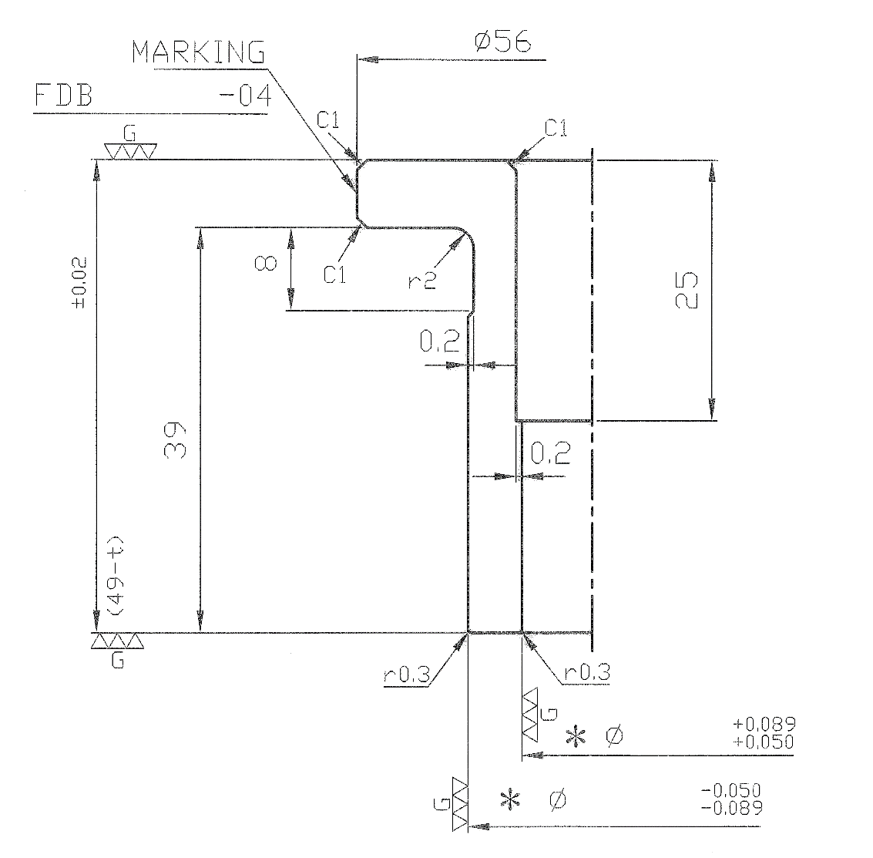
R-FDB 8776 - 04
41.05
48.2
48.39
 |  |  |  |  |  |  |  | REFERENCE TABLE
 |  |  |  |  |  |  |  | PRODUCT CODE | NAH 0609 A | NAH 0609 A01
 |  |  |  |  |  |  |  | DIE CODE | R-FDB 8776 - 04 | R-FDB | 8776.0 | R-FDB 8776 - 04
 |  |  |  |  |  |  |  | A | 41.05
 |  |  |  |  |  |  |  | B | 48.39
 |  |  |  |  |  |  |  | t | 0.8
 |  |  |  |  |  |  |  | 49-t | 48.2

 |  |  |  |  |  |  |  | Di | 41
 |  |  |  |  |  |  |  | Dp-Di | 5.8
 |  |  |  |  |  |  |  | 10 ≤ Dp - Di | TRUE

DATE | DESCRIPTION |  | REV. | APP.
REVISION
APPROVED |  | NAME |  |  | MATERIAL |  | QUANTITY
 |  | KNOCKOUT COLLAR |  |  | SKS 3 |  | 2
NAH 0609 A
R-FDB 8776 - 04
CHECKED |  |  |  |  | DRAWING NO.

DESIGNED
KEE |  | DATE |  | SCALE
 |  | 2020-06-05 16:36:38 |  | FREE | SHEET |  | OF
FM-DD-7005, Rev. 0, p1/1 |  |  |  |  |  | Ø32 < Di

NC2
41.05
8776
R-
48.2
48.39
0
36
37
X
Y
θ°
45
0
°
'
 |  |  |  |  |  |  |  | BEND DOWN |  | SSU

 |  |  |  |  |  |  |  | A |  | 41.05
 |  |  |  |  |  |  |  | b |  | 48.39
 |  |  |  |  |  |  |  | t |  | 0.8
 |  |  |  |  |  |  |  | 49-t |  | 48.2

 |  |  |  |  |  |  |  | Di |  | 41
 |  |  |  |  |  |  |  | Dp-Di |  | 5.8
 |  |  |  |  |  |  |  | Dp-Di ≤ 10 |  | TRUE

 |  |  |  |  |  |  |  | ENTER VALUE HERE

 |  |  |  |  |  |  |  | X |  | 36
 |  |  |  |  |  |  |  | Y |  | 37
 |  |  |  |  |  |  |  | θ° | Degree | 45
 |  |  |  |  |  |  |  |  | Minute | 0

DATE | DESCRIPTION |  | REV. | APP.
REVISION
APPROVED |  | NAME |  |  | MATERIAL |  | QUANTITY
 |  | KNOCKOUT COLLAR |  |  | SKS 3 |  | 2
NAH 0609 A
CHECKED |  |  |  |  | DRAWING NO.
8776
R-
R-FDB
-04
DESIGNED
KEE |  | DATE |  | SCALE
 |  | 2020-06-05 16:36:38 |  | FREE | SHEET |  | OF
FM-DD-7005, Rev. 0, p1/1 |  |  |  |  |  | Dp-Di ≤ Ø10

NOK ASIA CO. PTE. LTD.

NC3
41.05
8776
R-
48.39
??
??
48.39
41.05
??
??
??
0
W
W
X
Y
Z
θ°
??
??
°
'

 |  |  |  |  |  |  | BEND UP |  | SSS

 |  |  |  |  |  |  | A |  | 41.05
 |  |  |  |  |  |  | b |  | 48.39
 |  |  |  |  |  |  | t |  | 0.8

 |  |  |  |  |  |  | Di |  | 41
 |  |  |  |  |  |  | Dp-Di |  | 5.8
 |  |  |  |  |  |  | Dp-Di ≤ 10 |  | TRUE

 |  |  |  |  |  |  | ENTER VALUE HERE

 |  |  |  |  |  |  | W |  | ??
 |  |  |  |  |  |  | X |  | ??
 |  |  |  |  |  |  | Y |  | ??
 |  |  |  |  |  |  | Z |  | ??
 |  |  |  |  |  |  | θ° | Degree | ??
 |  |  |  |  |  |  |  | Minute | ??

DATE | DESCRIPTION |  | REV. | APP.
REVISION
APPROVED |  | NAME |  |  | MATERIAL | QUANTITY
 |  | KNOCKOUT COLLAR |  |  | SKS 3 | 2
NAH 0609 A
CHECKED |  |  |  |  | DRAWING NO.
8776
R-
R-FDB
-04
DESIGNED
KEE |  | DATE |  | SCALE
 |  | 2020-06-05 16:36:38 |  | FREE | SHEET | OF
FM-DD-7005, Rev. 0, p1/1

NOK ASIA CO. PTE. LTD.

NC4
41.05
8776
R-
48.2
48.39

 |  |  |  |  |  |  |  | A | 41.05
 |  |  |  |  |  |  |  | b | 48.39
 |  |  |  |  |  |  |  | t | 0.8
 |  |  |  |  |  |  |  | 49-t | 48.2

 |  |  |  |  |  |  |  | Di | 41
 |  |  |  |  |  |  |  | Dp-Di | 5.8
 |  |  |  |  |  |  |  | Dp-Di £ 10 | TRUE
 |  |  |  |  |  |  |  | 18 < Di < 32 | FALSE
 |  |  |  |  |  |  |  | Condition | FALSE

DATE | DESCRIPTION |  | REV. | APP.
REVISION
APPROVED |  | NAME |  |  | MATERIAL |  | QUANTITY
 |  | KNOCKOUT COLLAR |  |  | SKS 3 |  | 2
NAH 0609 A
CHECKED |  |  |  |  | DRAWING NO.
8776
R-
R-FDB
-04
DESIGNED
KEE |  | DATE |  | SCALE
 |  | 2020-06-05 16:36:38 |  | FREE | SHEET |  | OF
FM-DD-7005, Rev. 0, p1/1 |  |  |  |  |  | Dp-Di ≤ Ø10 ,Ø18 < Di < Ø32

NOK ASIA CO. PTE. LTD.

NC6
TEMPLATE FOR OTHER DESIGN
 |  |  |  |  |  |  |  | TEMPLATE FOR OTHER DESIGN

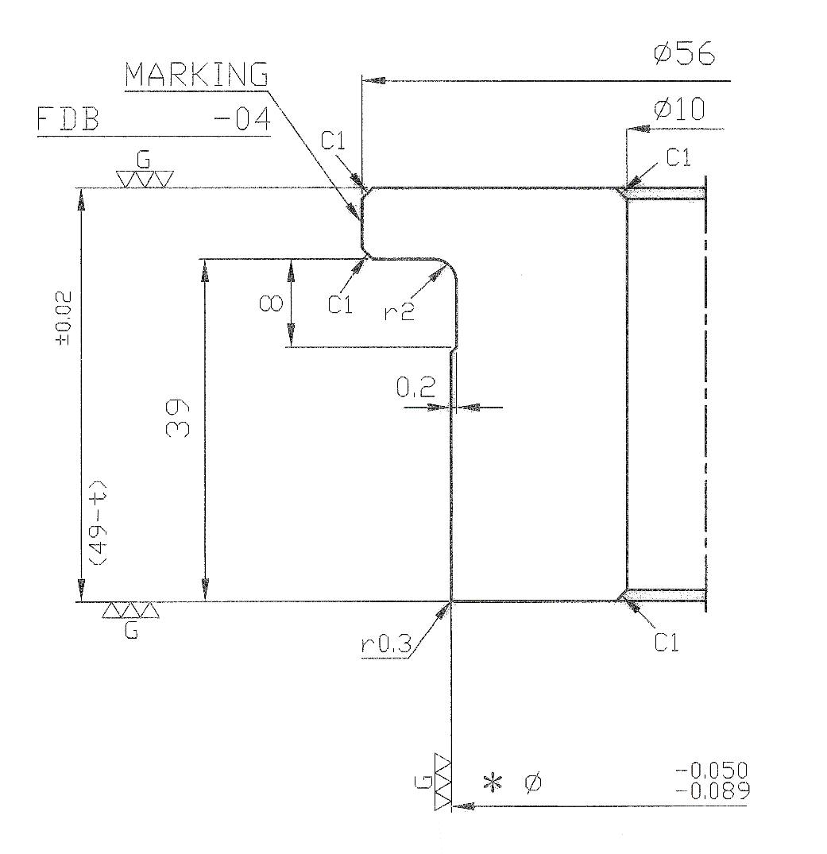
 |  |  |  |  |  |  |  | REFERENCE TABLE
 |  |  |  |  |  |  |  | PRODUCT CODE | NAH 0609 A | NAH 0609 A01
 |  |  |  |  |  |  |  | DIE CODE | R-FDB 8776 - 04 | R-FDB | 8776.0 | R-FDB 8776 - 04
 |  |  |  |  |  |  |  | A | 41.05
R-FDB 8776 - 04
 |  |  |  |  |  |  |  | b | 48.39
 |  |  |  |  |  |  |  | t | 0.8
 |  |  |  |  |  |  |  | 49-t | 48.2

 |  |  |  |  |  |  |  | Di | 41

48.2
 |  |  |  |  |  |  |  | NO Piercing Condition | FALSE

48.39

DATE | DESCRIPTION |  | REV. | APP.
REVISION
APPROVED |  | NAME |  |  | MATERIAL |  | QUANTITY
 |  | KNOCKOUT COLLAR |  |  | SKS 3 |  | 2
NAH 0609 A
CHECKED |  |  |  |  | DRAWING NO.
R-FDB 8776 - 04
DESIGNED
KEE |  | DATE |  | SCALE
 |  | 2020-06-05 16:36:38 |  | FREE | SHEET |  | OF
FM-DD-7005, Rev. 0, p1/1 |  |  |  |  |  | NO PIERCING

OP1
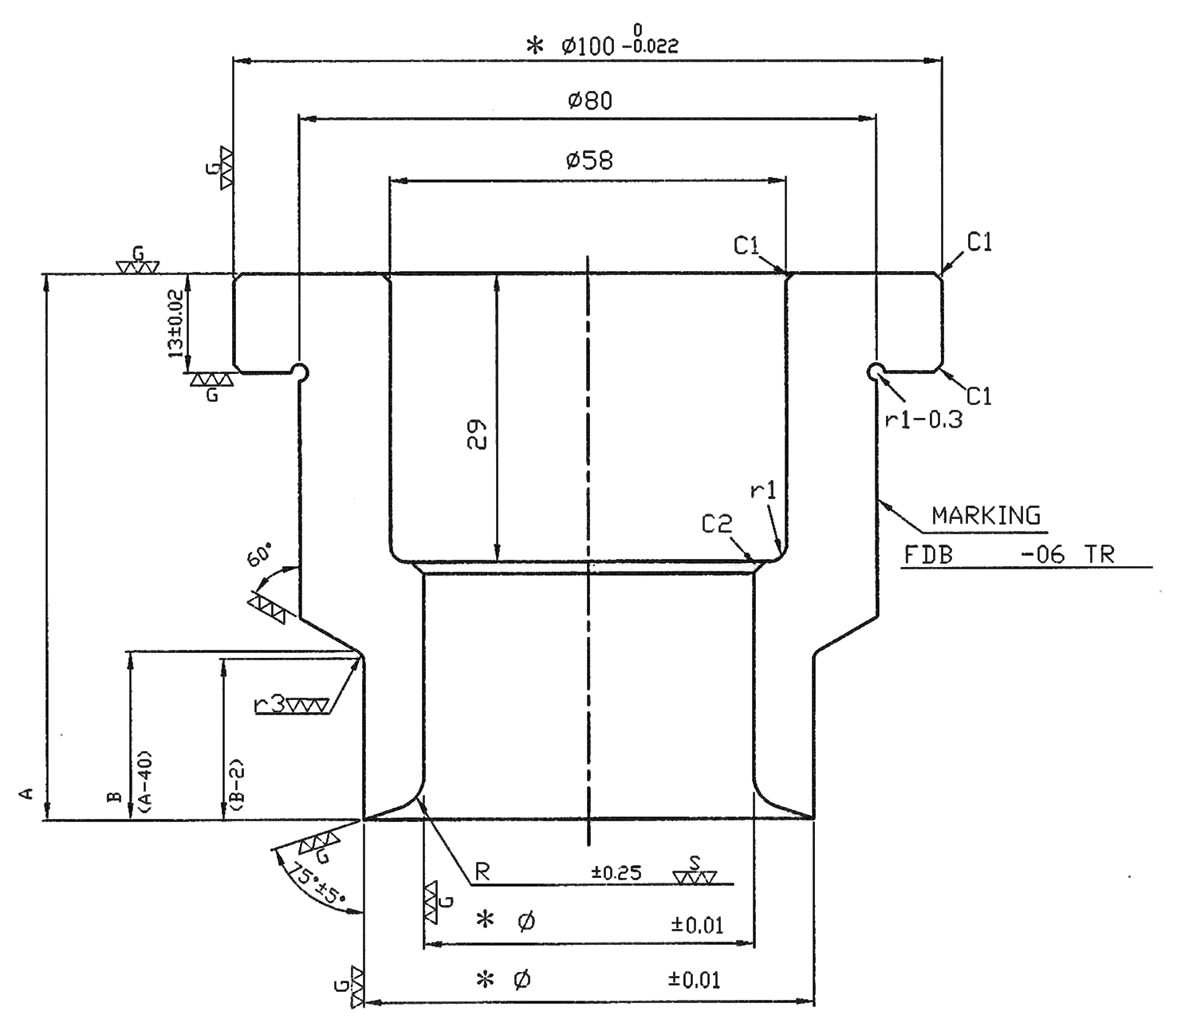
3
56.28
R-FDB 8776 - 06 TR3
18
48.39
60
20
 |  |  |  |  |  |  | REFERENCE TABLE
 |  |  |  |  |  |  | PRODUCT CODE | NAH 0609 A | NAH 0609 A01
 |  |  |  |  |  |  | DIE CODE | R-FDB 8776 - 06 | R-FDB | 8776.0 | R-FDB 8776 - 06 | R-FDB 8776 - 06 TR3
 |  |  |  |  |  |  | M/C Width | 5.7
 |  |  |  |  |  |  | a | 56.28
 |  |  |  |  |  |  | b | 48.39
 |  |  |  |  |  |  | Total Length A | 60 | N/A
 |  |  |  |  |  |  | B=A-40 | 20
 |  |  |  |  |  |  | B-2 | 18
 |  |  |  |  |  |  | Radius "R" | 3
 |  |  |  |  |  |  | Di | 41
 |  |  |  |  |  |  | Dp-Di | 5.8

 |  |  |  |  |  |  | OD (Dd) | 48.4

MARKING

DATE | DESCRIPTION |  | REV. | APP.
REVISION
APPROVED |  | NAME |  |  | MATERIAL | QUANTITY
 |  | OUTER PUNCH |  |  | DC 53 | 3
NAH 0609 A
R-FDB 8776 - 06
CHECKED |  |  |  |  | DRAWING NO.

DESIGNED
KEE |  | DATE |  | SCALE
 |  | 2020-06-05 16:36:38 |  | FREE | SHEET | OF
FM-DD-7005, Rev. 0, p1/1

OP2
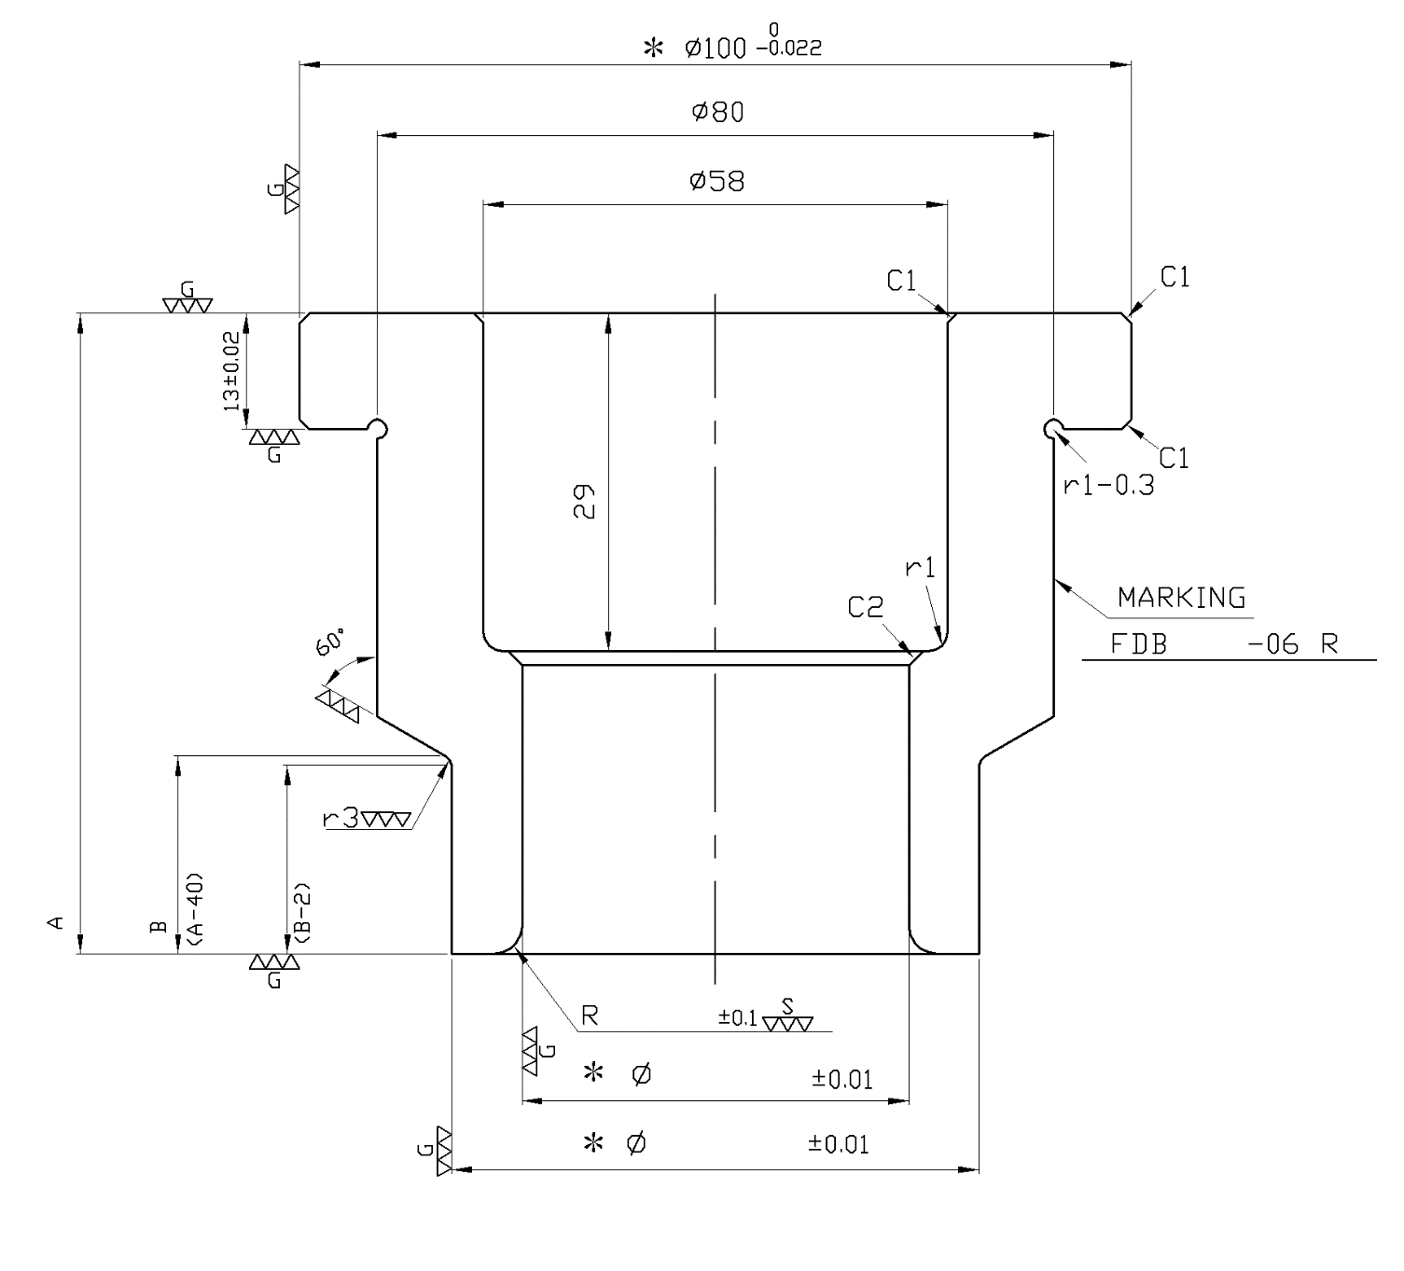
R-FDB 8776 - 06 R3
3
56.28
18
43.75
63.3
20

 |  |  |  |  |  |  | REFERENCE TABLE
 |  |  |  |  |  |  | PRODUCT CODE | NAH 0609 A | NAH 0609 A01
 |  |  |  |  |  |  | DIE CODE | R-FDB 8776 - 06 | R-FDB | 8776.0 | R-FDB 8776 - 06 | R-FDB 8776 - 06 R3
 |  |  |  |  |  |  | M/C Width | 5.7
 |  |  |  |  |  |  | a | 56.28
 |  |  |  |  |  |  | b | 48.39
 |  |  |  |  |  |  | Total Length A | 60 | N/A
 |  |  |  |  |  |  | B=A-40 | 20
 |  |  |  |  |  |  | B-2 | 18
 |  |  |  |  |  |  | Radius "R" | 3
 |  |  |  |  |  |  | Di | 41
 |  |  |  |  |  |  | Dp-Di | 5.8

 |  |  |  |  |  |  | OD (Dd) | 48.4

 |  |  |  |  |  |  | ENTER VALUE HERE

MARKING
 |  |  |  |  |  |  | X | 3
 |  |  |  |  |  |  | Y | 63.3
 |  |  |  |  |  |  | Z | 43.75

Y

X
Z

DATE | DESCRIPTION |  | REV. | APP.
REVISION
APPROVED |  | NAME |  |  | MATERIAL | QUANTITY
 |  | OUTER PUNCH |  |  | DC 53 | 3
NAH 0609 A
CHECKED |  |  |  |  | DRAWING NO.
R-FDB 8776 - 06
DESIGNED
KEE |  | DATE |  | SCALE
 |  | 2020-06-05 16:36:38 |  | FREE | SHEET | OF
FM-DD-7005, Rev. 0, p1/1

OD
56.4
78
71.4
± 0.01
R-FDB 8776 - 09
 |  |  |  |  |  |  | REFERENCE TABLE
 |  |  |  |  |  |  | PRODUCT CODE | NAH 0609 A | NAH 0609 A01
 |  |  |  |  |  |  | DIE CODE | R-FDB 8776 - 09 | R-FDB | 8776.0 | R-FDB 8776 - 09
 |  |  |  |  |  |  | a | 56.40 | 4 | 56.4
 |  |  |  |  |  |  | a + 22 | 78
 |  |  |  |  |  |  | a + 15 | 71.4

DATE | DESCRIPTION |  | REV. | APP.
REVISION
APPROVED |  | NAME |  |  | MATERIAL | QUANTITY
 |  | OUTER DIE |  |  | DC 53 | 3
NAH 0609 A
CHECKED |  |  |  |  | DRAWING NO.
R-FDB 8776 - 09
DESIGNED
KEE |  | DATE |  | SCALE
 |  | 2020-06-05 16:36:38 |  | FREE | SHEET | OF
FM-DD-7005, Rev. 0, p1/1

EC1
TEMPLATE FOR OTHER DESIGN
 |  |  |  |  |  |  |  | TEMPLATE FOR OTHER DESIGN

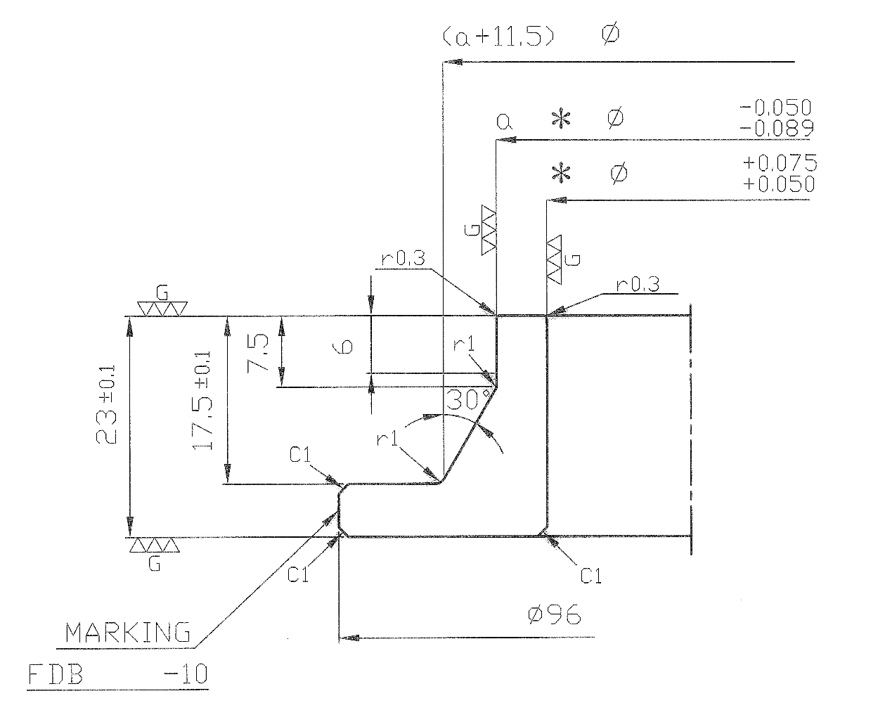
R-FDB 8776 - 10
46.83
56.4
67.9
 |  |  |  |  |  |  |  | REFERENCE TABLE
 |  |  |  |  |  |  |  | PRODUCT CODE | NAH 0609 A | NAH 0609 A01
 |  |  |  |  |  |  |  | DIE CODE | R-FDB 8776 - 10 | R-FDB | 8776.0 | R-FDB 8776 - 10
 |  |  |  |  |  |  |  | a | 56.4
 |  |  |  |  |  |  |  | B | 46.83
 |  |  |  |  |  |  |  | C | 51.0 | 71.55
 |  |  |  |  |  |  |  | a + 11.5 | 67.9 | 71.55

 |  |  |  |  |  |  |  | Dp - Di | 6
 |  |  |  |  |  |  |  | 9 < Dp - Di | FALSE

DATE | DESCRIPTION |  | REV. | APP.
REVISION
APPROVED |  | NAME |  |  | MATERIAL |  | QUANTITY
 |  | EJECTOR COLLAR |  |  | SKS 3 |  | 2
NAH 0609 A
CHECKED |  |  |  |  | DRAWING NO.
R-FDB 8776 - 10
DESIGNED
KEE |  | DATE |  | SCALE
 |  | 2020-06-05 16:36:38 |  | FREE | SHEET |  | OF
FM-DD-7005, Rev. 0, p1/1 |  |  |  |  |  | Ø9 < Dp - Di

EC2
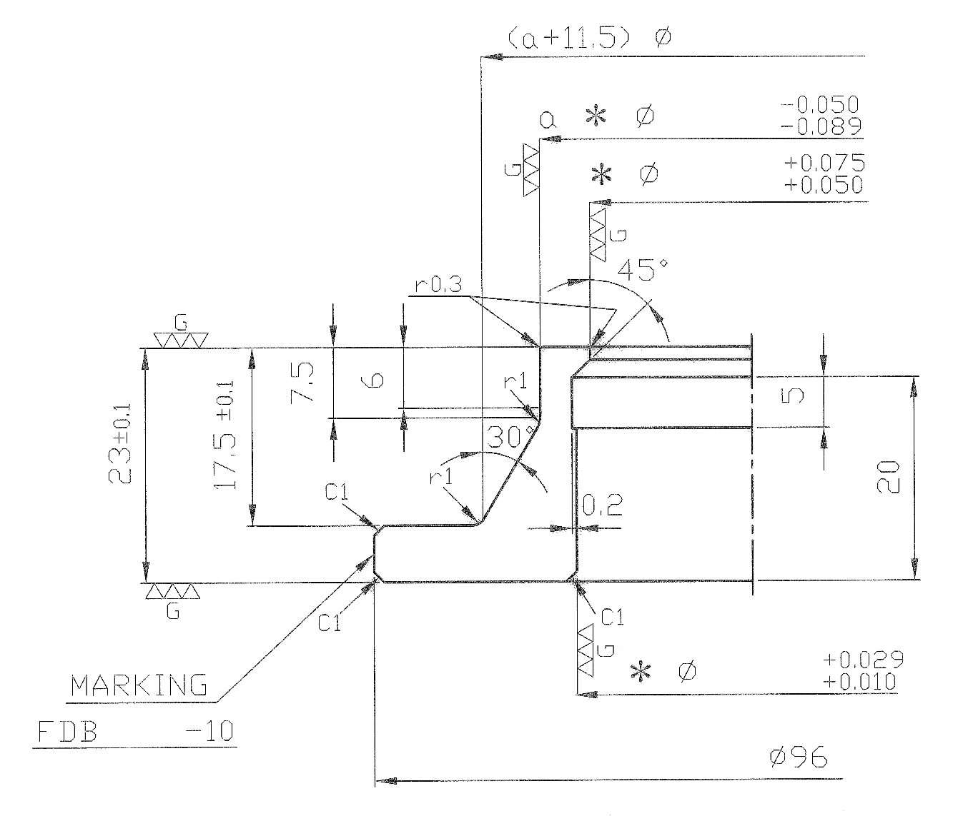
R-FDB 8776 - 10
46.83
56.4
67.9
51
+0.060
+0.030
 |  |  |  |  |  |  |  | REFERENCE TABLE
 |  |  |  |  |  |  |  | PRODUCT CODE | NAH 0609 A | NAH 0609 A01
 |  |  |  |  |  |  |  | DIE CODE | R-FDB 8776 - 10 | R-FDB | 8776 | R-FDB 8776 - 10
 |  |  |  |  |  |  |  | a | 56.4 | 4 | 56.4
 |  |  |  |  |  |  |  | B | 46.83
 |  |  |  |  |  |  |  | C | 51
 |  |  |  |  |  |  |  | a + 11.5 | 67.9 | 9 | 67.9

 |  |  |  |  |  |  |  | Dp - Di | 6
 |  |  |  |  |  |  |  | Dp - Di ≤ 9 | TRUE

DATE | DESCRIPTION |  | REV. | APP.
REVISION
APPROVED |  | NAME |  |  | MATERIAL |  | QUANTITY
 |  | EJECTOR COLLAR |  |  | SKS 3 |  | 2
NAH 0609 A
CHECKED |  |  |  |  | DRAWING NO.
R-FDB 8776 - 10
DESIGNED
KEE |  | DATE |  | SCALE
 |  | 2020-06-05 16:36:38 |  | FREE | SHEET |  | OF
FM-DD-7005, Rev. 0, p1/1 |  |  |  |  |  | Dp - Di ≤ Ø9

DP1
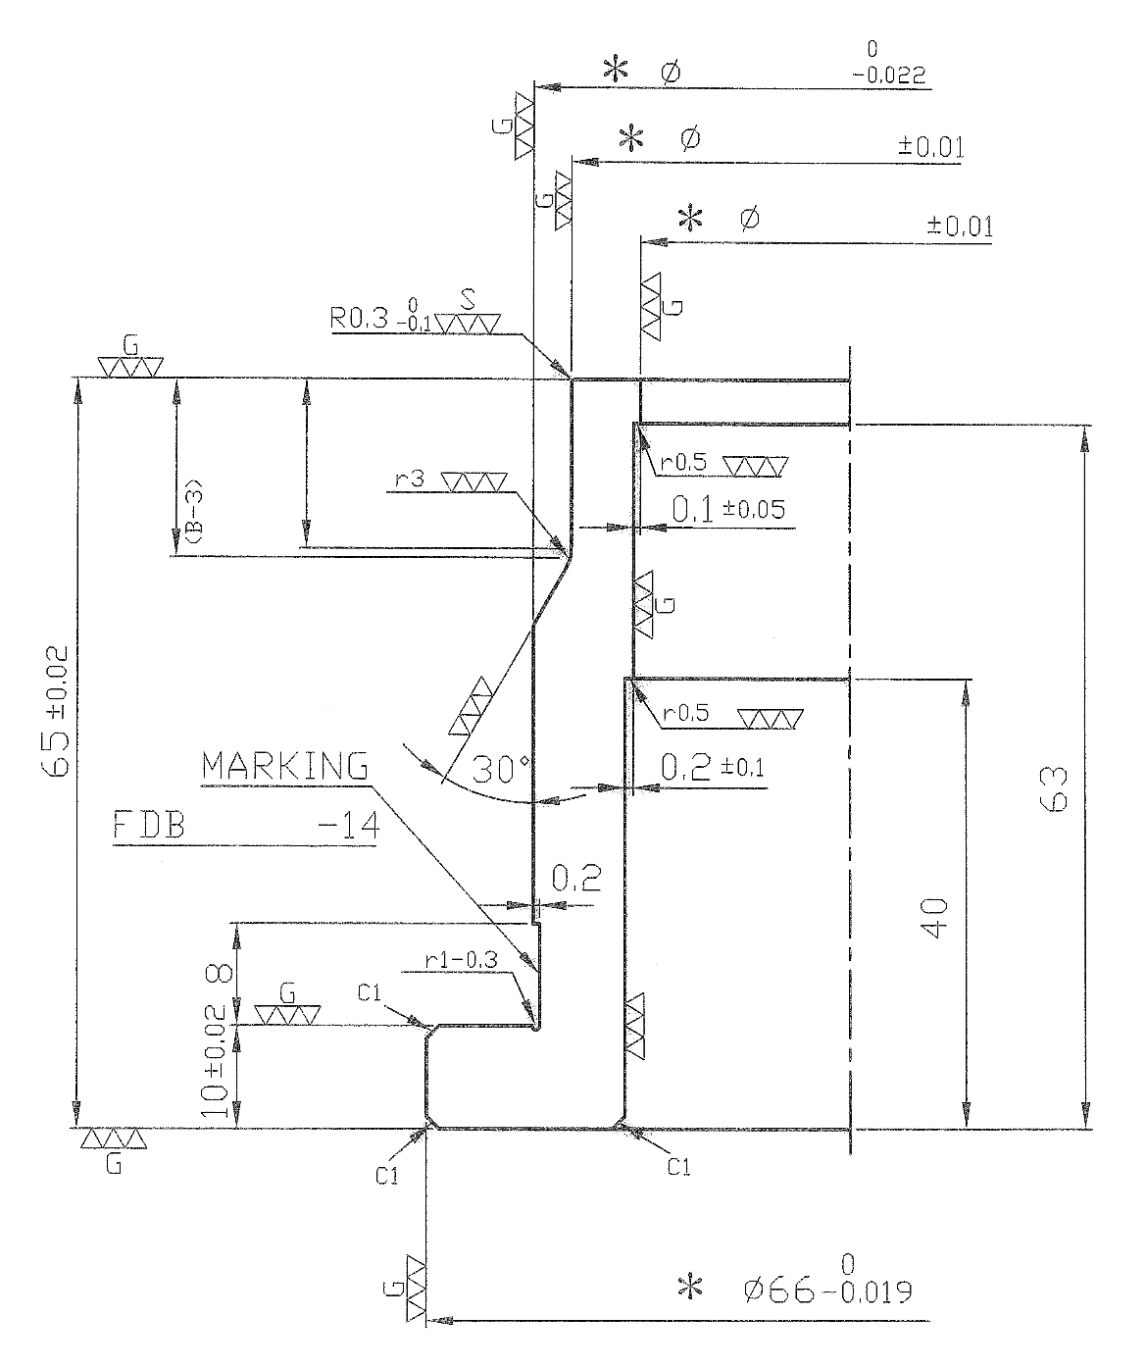
17
16
R-FDB 8776 - 14
46.83
41.17
51
 |  |  |  |  |  |  |  | REFERENCE TABLE
 |  |  |  |  |  |  |  | PRODUCT CODE | NAH 0609 A | NAH 0609 A01
 |  |  |  |  |  |  |  | DIE CODE | R-FDB 8776 - 14 | R-FDB | 8776.0 | R-FDB 8776 - 14
 |  |  |  |  |  |  |  | A | 41.17
 |  |  |  |  |  |  |  | B | 46.83
 |  |  |  |  |  |  |  | C | 51
 |  |  |  |  |  |  |  | Outer.Punch "B" | 20.0
 |  |  |  |  |  |  |  | O.P "B" -3 | 17
 |  |  |  |  |  |  |  | O.P "B" - 3 -r3 | 16

 |  |  |  |  |  |  |  | Dp - Di | 5.8
 |  |  |  |  |  |  |  | Dp - Di ≤ 9 | TRUE

DATE | DESCRIPTION |  | REV. | APP.
REVISION
APPROVED |  | NAME |  |  | MATERIAL |  | QUANTITY
 |  | DRAWING PUNCH |  |  | DC53 |  | 3
NAH 0609 A
CHECKED |  |  |  |  | DRAWING NO.
R-FDB 8776 - 14
DESIGNED
KEE |  | DATE |  | SCALE
 |  | 2020-06-05 16:36:38 |  | FREE | SHEET |  | OF
FM-DD-7005, Rev. 0, p1/1 |  |  |  |  |  | Dp - Di ≤ Ø9

DP2
TEMPLATE FOR OTHER DESIGN
 |  |  |  |  |  |  |  | TEMPLATE FOR OTHER DESIGN

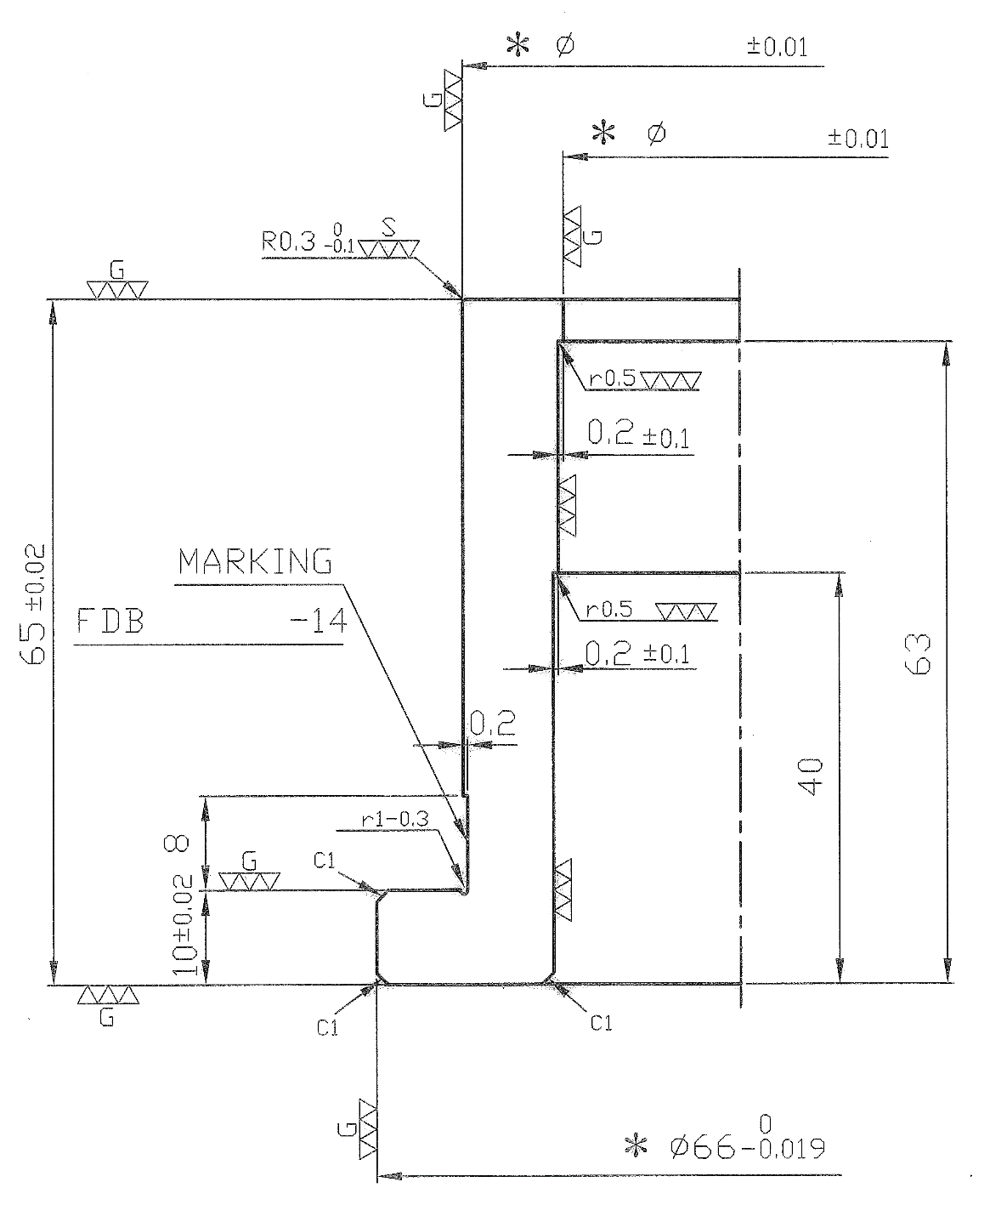
46.83
R-FDB 8776 - 14
41.17
 |  |  |  |  |  |  |  | REFERENCE TABLE
 |  |  |  |  |  |  |  | PRODUCT CODE | NAH 0609 A | NAH 0609 A01
 |  |  |  |  |  |  |  | DIE CODE | R-FDB 8776 - 14 | R-FDB | 8776.0 | R-FDB 8776 - 14
 |  |  |  |  |  |  |  | A | 41.17
 |  |  |  |  |  |  |  | B | 46.83
 |  |  |  |  |  |  |  | C | 51

 |  |  |  |  |  |  |  | Dp - Di | 5.8
 |  |  |  |  |  |  |  | 9< Dp - Di | FALSE

DATE | DESCRIPTION |  | REV. | APP.
REVISION
APPROVED |  | NAME |  |  | MATERIAL |  | QUANTITY
 |  | DRAWING PUNCH |  |  | DC 53 |  | 3
NAH 0609 A
CHECKED |  |  |  |  | DRAWING NO.
R-FDB 8776 - 14
DESIGNED
KEE |  | DATE |  | SCALE
 |  | 2020-06-05 16:36:38 |  | FREE | SHEET |  | OF
FM-DD-7005, Rev. 0, p1/1 |  |  |  |  |  | Ø9 < Dp - Di

DP3
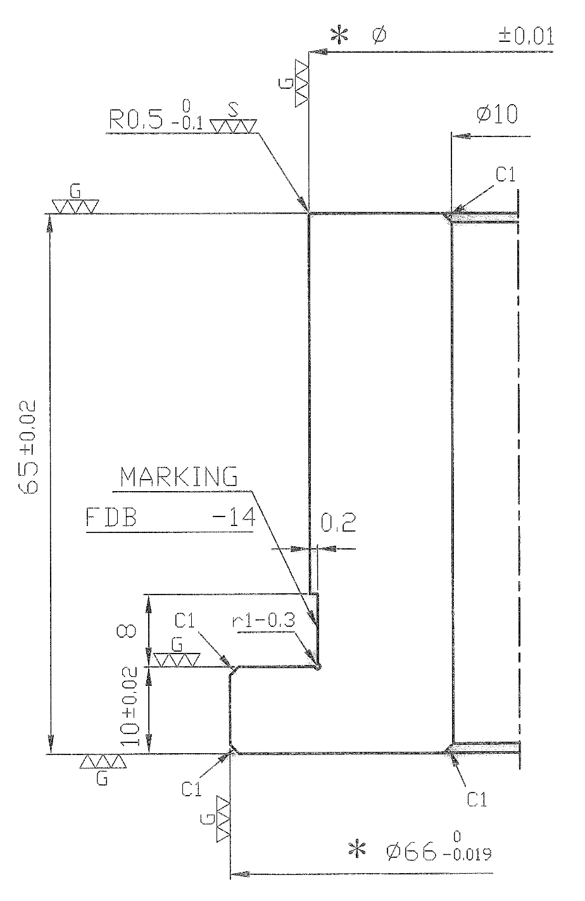
46.83
R-FDB 8776 - 14

 |  |  |  |  |  |  |  | REFERENCE TABLE
 |  |  |  |  |  |  |  | PRODUCT CODE | NAH 0609 A | NAH 0609 A01
 |  |  |  |  |  |  |  | DIE CODE | R-FDB 8776 - 14 | R-FDB | 8776.0 | R-FDB 8776 - 14
 |  |  |  |  |  |  |  | A | 41.17
 |  |  |  |  |  |  |  | B | 46.83
 |  |  |  |  |  |  |  | C | 51

 |  |  |  |  |  |  |  | Di | 41
 |  |  |  |  |  |  |  | NO PIERCING | FALSE

DATE | DESCRIPTION |  | REV. | APP.
REVISION
APPROVED |  | NAME |  |  | MATERIAL |  | QUANTITY
 |  | DRAWING PUNCH |  |  | DC 53 |  | 3
NAH 0609 A
CHECKED |  |  |  |  | DRAWING NO.
R-FDB 8776 - 14
DESIGNED
KEE |  | DATE |  | SCALE
 |  | 2020-06-05 16:36:38 |  | FREE | SHEET |  | OF
FM-DD-7005, Rev. 0, p1/1 |  |  |  |  |  | NO PIERCING

DP4
17
16
8776
R-
46.83
41.17
51
41.17
46.83
??
??
0
0
X
Y
θ °
??
??
°
'

 |  |  |  |  |  |  |  | BEND UP |  | SSS

 |  |  |  |  |  |  |  | A |  | 41.17
 |  |  |  |  |  |  |  | B |  | 46.83
 |  |  |  |  |  |  |  | C |  | 51
 |  |  |  |  |  |  |  | Outer.Punch "B" |  | 20.0
 |  |  |  |  |  |  |  | O.P "B" -3 |  | 17
 |  |  |  |  |  |  |  | O.P "B" - 3 -r3 |  | 16

 |  |  |  |  |  |  |  | Dp - Di |  | 5.8
 |  |  |  |  |  |  |  | Dp - Di ≤ 10 |  | TRUE

 |  |  |  |  |  |  |  | ENTER VALUE HERE

 |  |  |  |  |  |  |  | X |  | ??
 |  |  |  |  |  |  |  | Y |  | ??
 |  |  |  |  |  |  |  | θ° | Degree | ??
 |  |  |  |  |  |  |  |  | Minute | ??

DATE | DESCRIPTION |  | REV. | APP.
REVISION
APPROVED |  | NAME |  |  | MATERIAL |  | QUANTITY
 |  | DRAWING PUNCH |  |  | DC 53 |  | 3
NAH 0609 A
CHECKED |  |  |  |  | DRAWING NO.
8776
R-
R-FDB
-14
DESIGNED
KEE |  | DATE |  | SCALE
 |  | 2020-06-05 16:36:38 |  | FREE | SHEET |  | OF
FM-DD-7005, Rev. 0, p1/1 |  |  |  |  |  | Dp - Di ≤ Ø10

NOK ASIA CO. PTE. LTD.

DP26
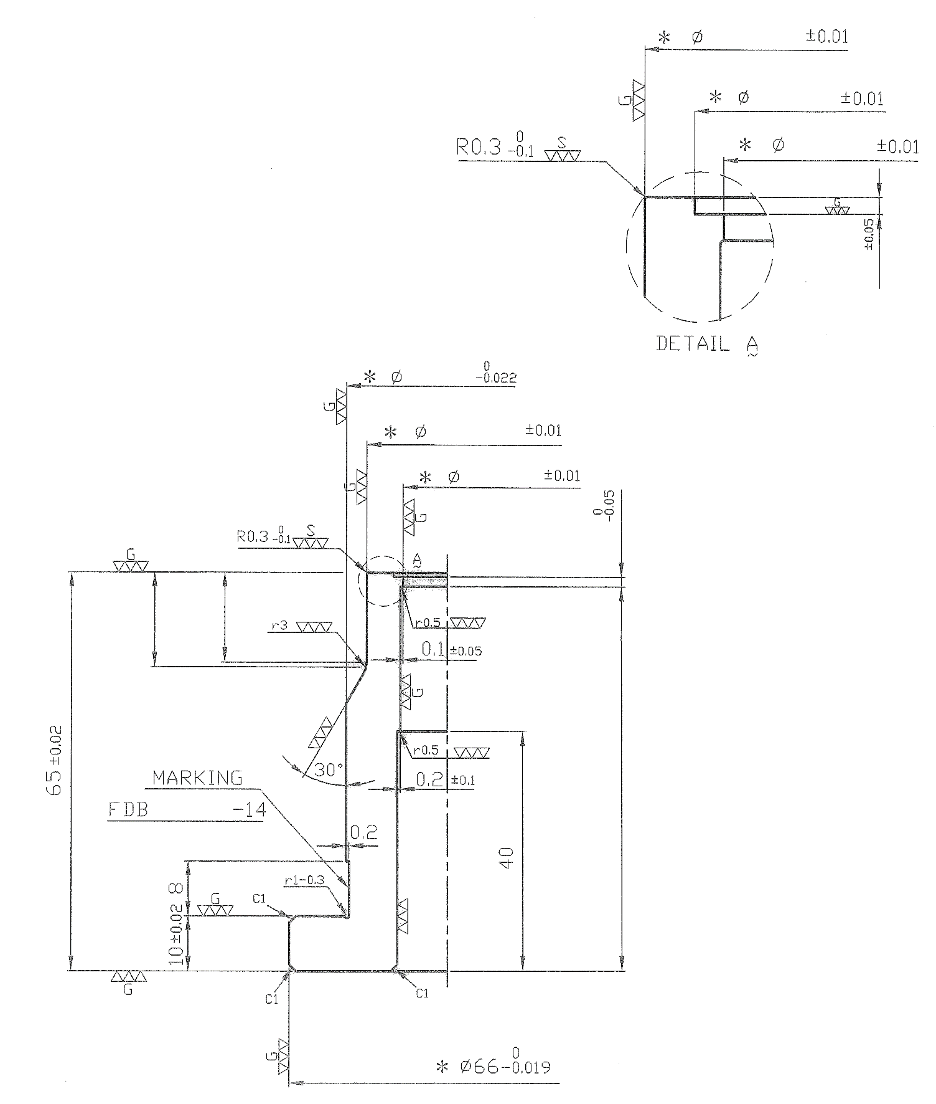
46.83

X
37.8

41.17

G
±0.02
0
 |  |  |  |  |  |  | REFERENCE TABLE
 |  |  |  |  |  |  | PRODUCT CODE | NAH 0609 A | NAH 0609 A01
 |  |  |  |  |  |  | DIE CODE | R-FDB 8776 - 14 | R-FDB | 8776.0 | R-FDB 8776 - 14
 |  |  |  |  |  |  | A | 41.17
 |  |  |  |  |  |  | B | 46.83
 |  |  |  |  |  |  | C | 51
51
 |  |  |  |  |  |  | Outer.Punch "B" | 20.0
 |  |  |  |  |  |  | Dp - Di | 5.8

46.83

41.17

2.5
Y

16
15
 |  |  |  |  |  |  | ENTER VALUE HERE
a
b
62
 |  |  |  |  |  |  | X | 37.8
 |  |  |  |  |  |  | Y | 2.5
 |  |  |  |  |  |  | Z | 62
 |  |  |  |  |  |  | A | 16
 |  |  |  |  |  |  | B | 15
R-FDB 8776 - 14

Z

DATE | DESCRIPTION |  | REV. | APP.
REVISION
APPROVED |  | NAME |  |  | MATERIAL | QUANTITY
 |  | DRAWING PUNCH |  |  | DC 53 | 3
NAH 0609 A
R-FDB 8776 - 14
CHECKED |  |  |  |  | DRAWING NO.

DESIGNED
KEE |  | DATE |  | SCALE
 |  | 2020-06-05 16:36:38 |  | FREE | SHEET | OF
FM-DD-7005, Rev. 0, p1/1

DP8
??
8776
R-
46.83
W

 |  |  |  |  |  |  | NO PIERCING | SXX

 |  |  |  |  |  |  | A | 41.17
 |  |  |  |  |  |  | B | 46.83
 |  |  |  |  |  |  | C | 51

 |  |  |  |  |  |  | Dp - Di | 5.8
 |  |  |  |  |  |  | NO PIERCING | FALSE

 |  |  |  |  |  |  | ENTER VALUE HERE

 |  |  |  |  |  |  | W | ??

DATE | DESCRIPTION |  | REV. | APP.
REVISION
APPROVED |  | NAME |  |  | MATERIAL | QUANTITY
 |  | DRAWING PUNCH |  |  | DC 53 | 3
NAH 0609 A
CHECKED |  |  |  |  | DRAWING NO.
8776
R-
R-FDB
-14
DESIGNED
KEE |  | DATE |  | SCALE
 |  | 2020-06-05 16:36:38 |  | FREE | SHEET | OF
FM-DD-7005, Rev. 0, p1/1

NOK ASIA CO. PTE. LTD.

DP9
41.17
8776
R-
46.83
??

 |  |  |  |  |  |  | PRE-PIERCING | SXX

 |  |  |  |  |  |  | A | 41.17
 |  |  |  |  |  |  | B | 46.83
 |  |  |  |  |  |  | Di | 41

 |  |  |  |  |  |  | Dp - Di | 5.8
 |  |  |  |  |  |  | NO PIERCING | FALSE

 |  |  |  |  |  |  | ENTER VALUE HERE

 |  |  |  |  |  |  | R | ??

DATE | DESCRIPTION |  | REV. | APP.
REVISION
APPROVED |  | NAME |  |  | MATERIAL | QUANTITY
 |  | DRAWING PUNCH |  |  | DC 53 | 3
NAH 0609 A
CHECKED |  |  |  |  | DRAWING NO.
8776
R-
R-FDB
-14
DESIGNED
KEE |  | DATE |  | SCALE
 |  | 2020-06-05 16:36:38 |  | FREE | SHEET | OF
FM-DD-7005, Rev. 0, p1/1

NOK ASIA CO. PTE. LTD.

